Foglio1
STYLE | PHOTO | BRAND | GENDER | DESCRIPTION | COLOR | BARCODE | SIZE | QTY | UNIT RETAIL | TOTAL RETAIL | COMPOSITION | MADE
30162009 3094 | 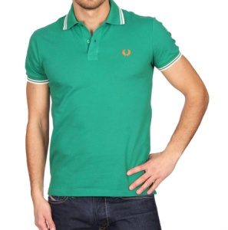 | FRED PERRY | MEN | POLO | GREEN | 8055116052056 | S | 3 | € 90.00 | € 270.00 | 95% COTTON + 5% ELATAN | ITALY
30162009 3094 |  | FRED PERRY | MEN | POLO | GREEN | 8055116052063 | M | 83 | € 90.00 | € 7,470.00 | 95% COTTON + 5% ELATAN | ITALY
30162009 3094 |  | FRED PERRY | MEN | POLO | GREEN | 8055116052070 | L | 91 | € 90.00 | € 8,190.00 | 95% COTTON + 5% ELATAN | ITALY
30162009 3094 |  | FRED PERRY | MEN | POLO | GREEN | 8055116052087 | XL | 153 | € 90.00 | € 13,770.00 | 95% COTTON + 5% ELATAN | ITALY
30162009 3094 |  | FRED PERRY | MEN | POLO | GREEN | 8055116052094 | XXL | 36 | € 90.00 | € 3,240.00 | 95% COTTON + 5% ELATAN | ITALY
30102252 V0039 | 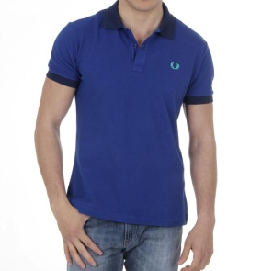 | FRED PERRY | MEN | POLO | BLUE | 8055116049148 | M | 10 | € 90.00 | € 900.00 | 100% COTTON | ITALY
 |  |  |  |  |  |  |  | 376 |  | € 33,840.00

